1.Pictures for Ensemble Methods
 | PICTORIAL REPRESENTATION OF VARIOUS ENSEMBLE METHODS & IT'S VARIOUS COMPONENTS

TYPES OF ENSEMBLE METHODS

BAGGING
BOOSTING

TYPES OF BAGGING LEARNING ALGORITHMS |  | TYPES OF BOOST LEARNING ALGORITHMS

❶Extra Tree Algorithm |  | ❶Adaptive Boosting

❷Random Forest Algorithm |  | ❷Gradient Boosting

 |  | ❸XG (Xtreme Gradient Boosting)

 |  | ❹Light GBM Boosting

 |  | ❺Cat Boosting

2.Ensemble in (ML)
⌗ENSEMBLE METHODS IN MACHINE LEARNING |  | REFERENCE

⇰WHAT IS ENSEMBLE METHODS IN (ML) MACHINE LEARNING ?

⇒According to Simple Learn Ensemble methods in machine learning combine the insights obtained from multiple learning models to facilitate accurate & improved decisions. These methods follow the same principle as the example of buying an air-conditioner cited above. ⇒In learning models, noise, variance, & bias are the major sources of error. The ensemble methods in machine learning help minimize these error-causing factors, thereby ensuring the accuracy & stability of machine learning (ML) algorithms. |  | ⇰REFERENCE (Websites)-->SimpleLearn Regarding Conceptual Understanding of Ensemble Methods in (ML) Machine Learning | ⇰REFERENCE (You Tube)-->Krishna Naik Regarding Ensemble Methods ⇒1.Bagging 2.Boosting & Various Models

⇒According to Edureka Ensemble learning is a method that is used to enhance the performance of Machine Learning model by combining several learners. When compared to a single model, this type of learning builds models with improved efficiency and accuracy. This is exactly why ensemble methods are used to win market leading competitions such as the Netflix recommendation competition, Kaggle competitions and so on. | 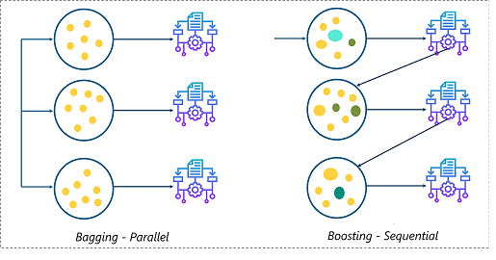 | ⇰REFERENCE (Websites)-->Edureka Regardiing Conceptual Understanding of Ensemble Learning & Various Methods for Ensemble Methods in ML (Machine Learning) | ⇰REFERENCE (Websites)-->SimpleLearn Regarding Conceptual Understanding of Ensemble Methods in (ML) Machine Learning

▣TYPES OF ENSEMBLE METHODS IN MACHINE LEARNING

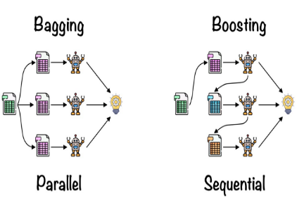
◅Sequential (Boosting) vs Parallel (Bagging)
①Sequential (Boosting)
❶Sequential ensemble (Boosting)⇒ popularly known as boosting, here the weak learners are sequentially produced during the training phase. The performance of the model is improved by assigning a higher weightage to the previous, incorrectly classified samples. An example of boosting is the Adaptive Boost algorithm, Gradient Boosting Algorithm , XG Boosting Algorithm ,XGB Boosting & Cat Boosting . |  | ⇰REFERENCE (Website)-->Analytics Vidhya Regarding Thereotical & Conceptual Understanding of Random Forest Models & Working of Random Forest Algorithm | ⇰REFERENCE (You Tube)-->Krishna Naik Regarding Ensemble Methods ⇒1.Bagging 2.Boosting & Various Models

⇰TYPES OF ENSEMBLE METHODS |  | ⇰REFERENCE (Website)-->JavaTPoint Regarding Conceptual Understanding of Both Steps of BAGGING 1.Bootstrapping & 2.Aggregation
❶Boosting Ensemble Methods (Applicable in Adaptive Boosting , Gradient Boosting , XG Boosting , Cat Boosting , Light GBM Boosting

②Parallel (Bagging)
❶Parallel ensemble (Bagging), popularly known as bagging, here the weak learners are produced parallelly during the training phase. The performance of the model can be increased by parallelly training a number of weak learners on bootstrapped data sets. An example of bagging is the Random Forest algorithm & Extra Tree Algorithm. |  | ⇰REFERENCE (Websites)-->Edureka Regardiing Conceptual Understanding of Ensemble Learning & Various Methods for Ensemble Methods in ML (Machine Learning) | ⇰REFERENCE (Websites)-->SimpleLearn Regarding Conceptual Understanding of Ensemble Methods in (ML) Machine Learning

 |  |  | ⇰REFERENCE (You Tube)-->Krishna Naik Regarding Ensemble Methods ⇒1.Bagging 2.Boosting & Various Models

⇰TYPES OF ENSEMBLE METHODS
❶Bagging Ensemble Methods (Applicable Random Forest & Extra Tree Models)

3.Def & Types of Bagging Algo
 | ⌗BAGGING |  |  | REFERENCE

 | ⇰TYPES OF ENSEMBLE METHODS
 | ❶Bagging Ensemble Methods (Applicable Random Forest & Extra Tree Models)
 | ❷Boosting Ensemble Methods (Applicable in Adaptive Boosting , Gradient Boosting , XG Boosting , Cat Boosting , Light GBM Boosting

 | ▣ WHAT IS BAGGING ? |  |  | ⇰REFERENCE (Website)-->Udemy Regarding Conceptual Understanding of 2nd Methods of Ensemble Methods⇒Bagging | ⇰REFERENCE (Website)-->Geeks for Geeks Regarding Conceptual Understanding of Diff in Between 2 Types of Ensembles Methods ⇒1.BAGGING 2.BOOSTING
①metaestimator (Reference Udemy)⇒Bagging is technically a meta learning algorithm that can be applied to really any machine learning algorithm, not just the decision trees, but we'll see why decision trees are such a well-suited algorithm for Bagging.
 | ◅NOTE (POINTS TO NOTE)
 | ⇰The Concept of Bagging is not actually a Machine Learning Algorithm, It is Methodology applied to an existing machine learning algorithm most commonly applied to Decision Tree .

 | ⇰However, it's most commonly applied to the Decision Tree because that's where it yields the best results & so often Bagging is actually referred to as Meta Learning instead of Machine Learning because really it's a process where you decide to insert any Machine Learning Algorithm.

①metaestimator (REFERENCE) =>(Girenz GitHub)⇒A meta-estimator in the context of machine learning refers to a specialized algorithm or method that is used to enhance the predictive performance of a model by combining or aggregating the predictions of multiple base estimators or models.
 | ▣BAGGING
 | ⇒Bagging: According to Geeks for Geeks It is a homogeneous weak learners’ model that learns from each other independently in parallel & combines them for determining the model average.Bootstrap Aggregating, also known as bagging, is a machine learning ensemble meta-algorithm designed to improve the stability & accuracy of machine learning algorithms used in statistical classification & regression. It decreases the variance & helps to avoid overfitting. It is usually applied to decision tree methods. Bagging is a special case of the model averaging approach. |  | 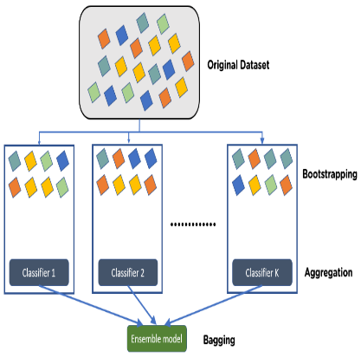
 |  |  |  | ⇰REFERENCE (Website)-->Udemy Regarding Conceptual Understanding of 2nd Methods of Ensemble Methods⇒Bagging | ⇰REFERENCE (Website)-->Geeks for Geeks Regarding Conceptual Understanding of Diff in Between 2 Types of Ensembles Methods ⇒1.BAGGING 2.BOOSTING

 |  |  |  | ⇰REFERENCE (Website)-->Analytics Vidhya Regarding Conceptual Understanding of Ensemble Methods Between (Bagging Vs Boosting) & Usage of Random Forest Models

 | ⇒According to Edureka Parallel ensemble (Bagging), popularly known as bagging, here the weak learners are produced parallelly during the training phase. The performance of the model can be increased by parallelly training a number of weak learners on bootstrapped data sets. An example of bagging is the Random Forest algorithm & Extra Tree Algorithm. |  |  |  | ⇰REFERENCE (Website)-->JavaTPoint Regarding Conceptual Understanding of Ensemble Methods (Bagging Vs Boosting) & Usage of Random Forest Models

 | ⇒According to Simple Learn (Bagging), also known as Bootstrap aggregating, is an ensemble learning technique that helps to improve the performance & accuracy of machine learning algorithms. It is used to deal with bias-variance trade-offs & reduces the variance of a prediction model. Bagging avoids overfitting of data & is used for both regression & classification models, specifically for decision tree algorithms. |  | 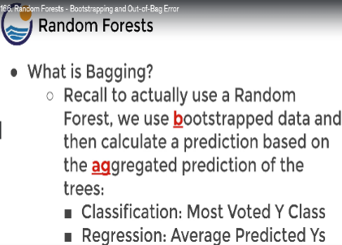 | ⇰REFERENCE (Website)-->Udemy Regarding Conceptual Understanding of 2nd Methods of Ensemble Methods⇒Bagging

 | ⇒TWO STEPS FROM BAGGING |  |  | ⇰REFERENCE (Website)-->JavaTPoint Regarding Conceptual Understanding of Both Steps of BAGGING 1.Bootstrapping & 2.Aggregation
 | ❶BOOTSTRAPPING
 | ❷AGGREGATION
 | ❶Bootstrapping: It is a random sampling method that is used to derive samples from the data using the replacement procedure. In this method, first, random data samples are fed to the primary model, and then a base learning algorithm is run on the samples to complete the learning process. | 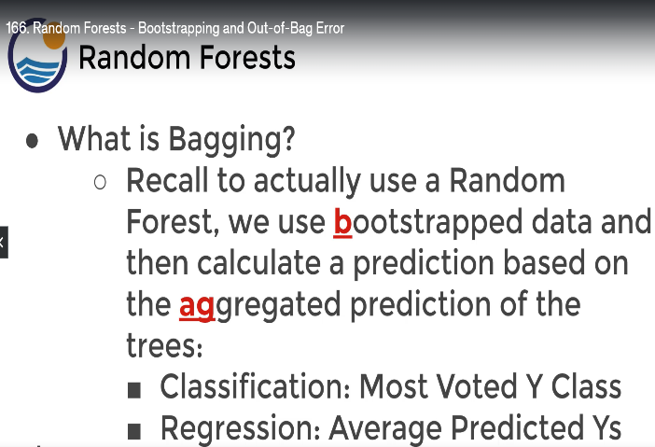

 |  |  |  | ⇰REFERENCE (Website)-->Udemy Regarding Conceptual Understanding of 2nd Methods of Ensemble Methods⇒Bagging

 | ❷Aggregation: This is a step that involves the process of combining the output of all base models and, based on their output, predicting an aggregate result with greater accuracy & reduced variance.

 | ⇰WHAT IS BOOTSTRAPPING (USED IN BAGGING) ?

 | ❶Bootstrapping is the method of randomly creating samples of data out of a population with replacement to estimate a population parameter. |  | 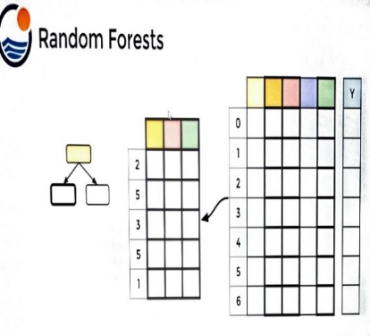 | ⇰REFERENCE (Website) ->Udemy Regarding Thereotical & Conceptual Understanding of Parameter =>Bootstrapping & OOB Score

 | ❷According to Udemy Bootstrapping basically is just a term used to describe the process of random sampling with replacement. Bootstrapping allows us to further differentiate those trees, meaning we can also bootstrap a selection of rows for each split & this actually results then in two randomized training components each time you're creating a decision tree and upon each split, instead of also just selecting a subset of features, you're going to bootstrap rows of data.

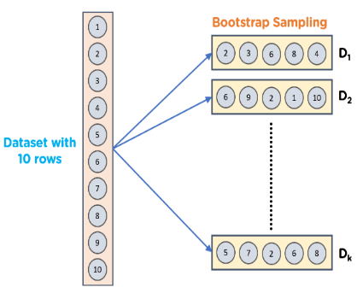
 |  |  |  | ⇰REFERENCE (Website)-->Simple Learn Regarding Conceptual Understanding of 2nd Methods of Ensemble Methods ⇒Bagging

 | ❸This Results in 2 Randomized Training Components :- ▣ Subset of Features Used ▣BootStrapped Row of Data

 | ❸This Results in 2 Randomized Training Components :- ▣ Subset of Features Used ▣BootStrapped Row of Data

 | TYPES OF BAGGING LEARNING ALGORITHMS

 | ❶Extra Tree Algorithm

 | ❷Random Forest Algorithm

4.Def & Types of Boosting Algo
 | ⌗BOOSTING |  | REFERENCE

 | ⇰TYPES OF ENSEMBLE METHODS
 | ❶Bagging Ensemble Methods (Applicable Random Forest & Extra Tree Models)
 | ❷Boosting Ensemble Methods (Applicable in Adaptive Boosting , Gradient Boosting , XG Boosting , Cat Boosting , Light GBM Boosting

 | ▣ WHAT IS BOOSTING ?

①metaestimator (Reference Udemy)⇒boosting is technically a meta learning algorithm that can be applied to really any machine learning algorithm, not just the decision trees, but we'll see why decision trees are such a well-suited algorithm for boosting. | ◅NOTE (POINTS TO NOTE)
 | ⇰The Concept of Boosting is not actually a Machine Learning Algorithm, It is Methodology applied to an existing machine learning algorithm most commonly applied to Decision Tree . |  | ⇰REFERENCE (Website)-->Udemy Regarding Conceptual Understanding of Ada Boosting Models | ⇰REFERENCE (Website)-->Towards Data Science Regarding Conceptual Understanding of Boosting & AdaBoosting Algorithm

 | ⇰However, it's most commonly applied to the Decision Tree because that's where it yields the best results & so often Boosting is actually referred to as Meta Learning instead of Machine Learning because really it's a process where you decide to insert any Machine Learning Algorithm.

①metaestimator (REFERENCE) =>(Girenz GitHub)⇒A meta-estimator in the context of machine learning refers to a specialized algorithm or method that is used to enhance the predictive performance of a model by combining or aggregating the predictions of multiple base estimators or models. | ◅WHAT IS BOOSTING IN MACHINE LEARNING ?

 | ⇰According to AWS (Amazon Web Services) Boosting is a method used in machine learning to reduce errors in predictive data analysis. Data scientists train machine learning software, called machine learning models, on labeled data to make guesses about unlabeled data. A single machine learning model might make prediction errors depending on the accuracy of the training dataset. For example, if a cat-identifying model has been trained only on images of white cats, it may occasionally misidentify a black cat. Boosting tries to overcome this issue by training multiple models sequentially to improve the accuracy of the overall system. | 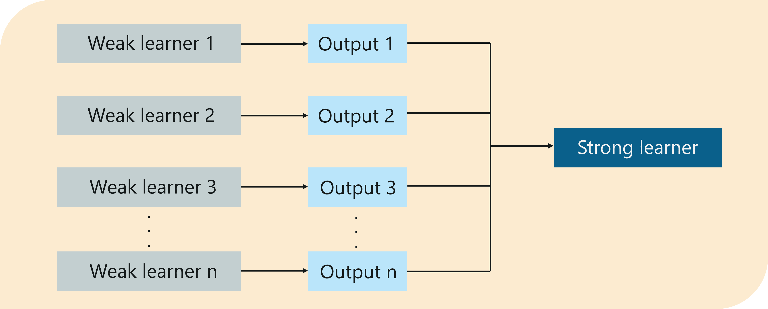 | ⇰REFERENCE (Websites)-->AWS (Amazon Web Services) Regarding Conceptual Understanding of Concept⇒Boosting in Machine Learning | ⇰REFERENCE (Website)-->Edureka Regarding Conceptual Understanding of Concept⇒Boosting in Machine Learning

 | ◅IMPORTANCE OF BOOSTING IN MACHINE LEARNING

 | ⇰In Simple Words According to Amazon Web Services Boosting improves 'machine models' predictive accuracy & performance by converting multiple weak learners into a single strong learning model. Machine learning models can be weak learners or strong learners. |  | ⇰REFERENCE (Websites)-->AWS (Amazon Web Services) Regarding Conceptual Understanding of Concept⇒Boosting in Machine Learning | ⇰REFERENCE (Websites)-->Analytics Vidhya Regarding Conceptual Understanding of Concept⇒Boosting in Machine Learning

 | ▣WEAK LEARNERS
 | ❶Weak learners have low prediction accuracy, similar to random guessing. They are prone to overfitting—that is, they can't classify data that varies too much from their original dataset. For example, if you train the model to identify cats as animals with pointed ears, it might fail to recognize a cat whose ears are curled.
 |  |  | ⇰REFERENCE (Websites)-->AWS (Amazon Web Services) Regarding Conceptual Understanding of Concept⇒Weak Learners Vs Strong Learners

 | ❷Strong learners have higher prediction accuracy. Boosting converts a system of weak learners into a single strong learning system. For example, to identify the cat image, it combines a weak learner that guesses for pointy ears & another learner that guesses for cat-shaped eyes. After analyzing the animal image for pointy ears, the system analyzes it once again for cat-shaped eyes. This improves the system's overall accuracy.

 | ▣There are three steps we need to consider to choose the correct distribution:

 | ❶The Weak learner considers all the distributions & then assigns equal weight to each observation. ❷If the error is caused by prediction from the first weak learning algorithm, more attention is given to the observations’ prediction error. The following weak learning algorithm is applied. ❸Last, iterate through the 2nd step until the base learning algorithm reaches its limit or desirable accuracy is achieved. | 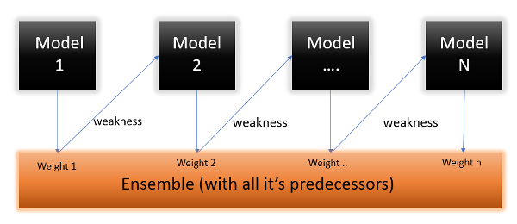 | ⇰REFERENCE (Website) -->Analytics Vidhya Regarding Conceptual Understanding of Boosting & Various Steps Considered for Boosting

 | ▣Why are Boosting algorithms are so popular?

 | ⇰To understand this, in simpler words boosting algorithms can outperform simpler algorithms like Random forest, decision trees, or logistic regression. It is one of the primary reasons for the rise in promoting algorithms by many machine learning competitors because boosting algorithms are powerful. Still, they can improve the prediction accuracy of your model by a considerable amount of factors. Many machine learning competitors either use a single boosting algorithm or multiple boosting algorithms to solve the respective problems. | 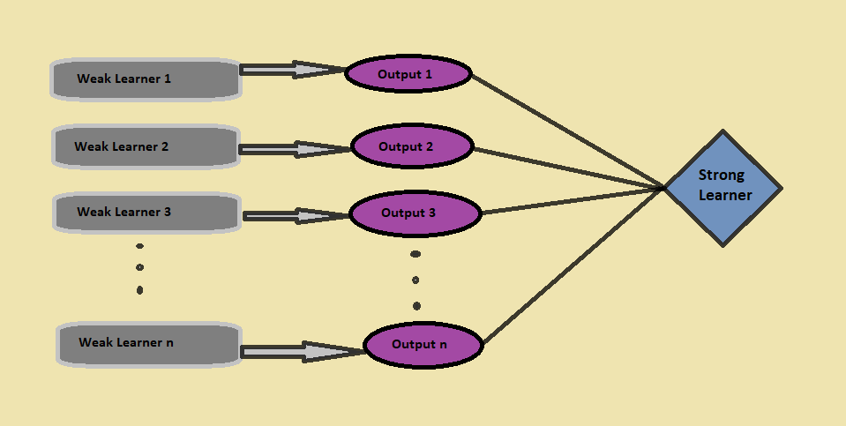 | ⇰REFERENCE (Website) -->Analytics Vidhya Regarding Conceptual Understanding of Popularity of Boosting

 | TYPES OF BOOST LEARNING ALGORITHMS

 | ❶Adaptive Boosting

 | ❷Gradient Boosting

 | ❸XG (Xtreme Gradient Boosting)

 | ❹Light GBM Boosting

5.Diff&Sim (Bagg Vs Boosting)
⌗ENSEMBLE LEARNING (BAGGING VS BOOSTING) |  |  |  |  | REFERENCE

▣As we know, Ensemble learning helps improve machine learning results by combining several models. This approach allows the production of better predictive performance compared to a single model. Basic idea is to learn a set of classifiers (experts) & to allow them to vote.Bagging & Boosting are two types of Ensemble Learning. These two decrease the variance of a single estimate as they combine several estimates from different models. So the result may be a model with higher stability. Let’s understand these two terms in a glimpse. |  |  |  |  | ⇰REFERENCE (Website)-->Geeks for Geeks Regarding Conceptual Understanding of Diff in Between 2 Types of Ensembles Methods ⇒1.BAGGING 2.BOOSTING | ⇰REFERENCE (Website)-->Analytics Vidhya Regarding Conceptual Understanding of Ensemble Methods Between (Bagging Vs Boosting) & Usage of Random Forest Models

◅BAGGING VS BOOSTING |  |  | 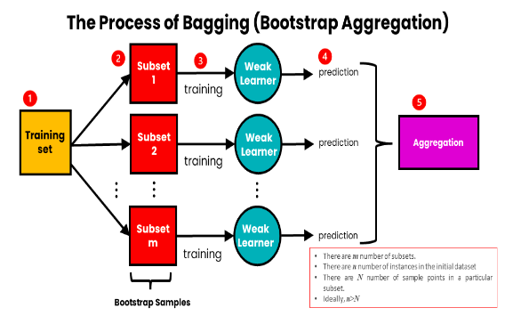
▣BAGGING
⇒Bagging: It is a homogeneous weak learners’ model that learns from each other independently in parallel & combines them for determining the model average.Bootstrap Aggregating, also known as bagging, is a machine learning ensemble meta-algorithm designed to improve the stability & accuracy of machine learning algorithms used in statistical classification & regression. It decreases the variance & helps to avoid overfitting. It is usually applied to decision tree methods. Bagging is a special case of the model averaging approach. |  |  |  |  | ⇰REFERENCE (Website)-->Udemy Regarding Usage & Conceptual Understanding of Ensemble Methods⇒(BAGGING) in Random Forest Models | ⇰REFERENCE (Website)-->JavaTPoint Regarding Conceptual Understanding of Ensemble Methods (Bagging Vs Boosting) & Usage of Random Forest Models

◅ADA BOOSTING (FURTHER DISCUSSION IN 2.13(i) ADA BOOSTING EXCEL SHEET)

▣BOOSTING
⇒Boosting: It is also a homogeneous weak learners’ model but works differently from Bagging. In this model, learners learn sequentially & adaptively to improve model predictions of a learning algorithm.Boosting is an ensemble modeling technique that attempts to build a strong classifier from the number of weak classifiers. It is done by building a model by using weak models in series. Firstly, a model is built from the training data. Then the second model is built which tries to correct the errors present in the first model. This procedure is continued & models are added until either the complete training data set is predicted correctly or the maximum number of models is added. |  |  | 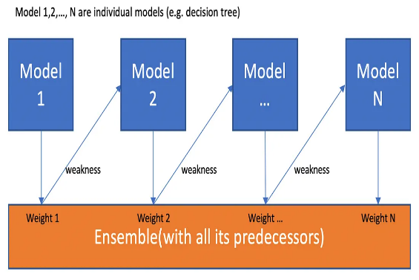 |  | ⇰REFERENCE (Websites)-->Geeks for Geeks Regarding Conceptual Understanding of Boosting which Practically Used in Gradient Boosting , XGBoosting, Catboosting, LightGBM Boosting Models | ⇰REFERENCE (Website)-->Towards Data Science Regarding Conceptual Understanding of Gradient Boosting & Explanation of Boosting With Figurative Illustration

▣WORKING FOR RANDOM FOREST ALGORITHM (Bagging VS Boosting)

⇰Before understanding the working of the random forest algorithm in machine learning, we must look into the ensemble learning technique.Ensemble simply means combining multiple models. Thus a collection of models is used to make predictions rather than an individual model. ⇰Ensemble uses two types of methods: ▣Bagging– It creates a different training subset from sample training data with replacement & the final output is based on majority voting. For example, Random Forest. ▣Boosting– It combines weak learners into strong learners by creating sequential models such that the final model has the highest accuracy. For example=>ADA BOOST, XG BOOST. |  | 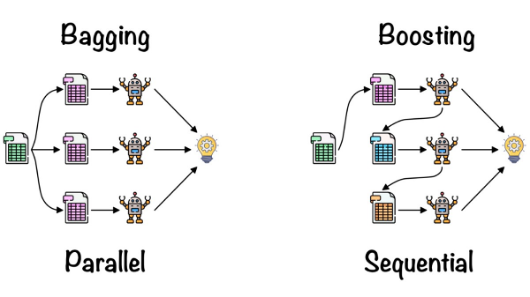 |  |  | ⇰REFERENCE (Website)-->Analytics Vidhya Regarding Thereotical & Conceptual Understanding of Random Forest Models & Working of Random Forest Algorithm | ⇰REFERENCE (Website)-->Scikit Learn Regarding Thereotical & Conceptual Understanding of Various H.Param , Attributes & Methods of Random Forest Classifiers

▣TYPES OF ENSEMBLE METHODS IN MACHINE LEARNING (PARALLEL VS SEQUENTIAL MODE)

◅Sequential (Boosting) vs Parallel (Bagging)
①Sequential (Boosting)
❶Sequential ensemble (Boosting)⇒ popularly known as boosting, here the weak learners are sequentially produced during the training phase. The performance of the model is improved by assigning a higher weightage to the previous, incorrectly classified samples. An example of boosting is the Adaptive Boost algorithm, Gradient Boosting Algorithm , XG Boosting Algorithm ,XGB Boosting & Cat Boosting . |  |  | ⇰REFERENCE (Website)-->Analytics Vidhya Regarding Thereotical & Conceptual Understanding of Random Forest Models & Working of Random Forest Algorithm

②Parallel (Bagging)
❶Parallel ensemble (Bagging), popularly known as bagging, here the weak learners are produced parallelly during the training phase. The performance of the model can be increased by parallelly training a number of weak learners on bootstrapped data sets. An example of bagging is the Random Forest algorithm & Extra Tree Algorithm. |  |  | ⇰REFERENCE (Websites)-->Edureka Regardiing Conceptual Understanding of Ensemble Learning & Various Methods for Ensemble Methods in ML (Machine Learning) | ⇰REFERENCE (Websites)-->SimpleLearn Regarding Conceptual Understanding of Ensemble Methods in (ML) Machine Learning

▣SIMILIARITIES IN BETWEEN BAGGING (PARALLEL MODE) & BOOSTING (SEQUENTIAL MODE)

⇰Bagging & Boosting, both being the commonly used methods, have a universal similarity of being classified as ensemble methods. Here we will explain the similarities between them. ❶Both are ensemble methods to get N learners from 1 learner. ❷Both generate several training data sets by random sampling. ❸Both make the final decision by averaging the N learners (or taking the majority of them i.e Majority Voting). ❹Both are good at reducing variance & provide higher stability. |  |  | ⇰REFERENCE (Website)-->Geeks for Geeks Regarding Conceptual Understanding of Similiarities Between Bagging Vs Boosting

DIFFERENCE IN BETWEEN BAGGING VS BOOSTING

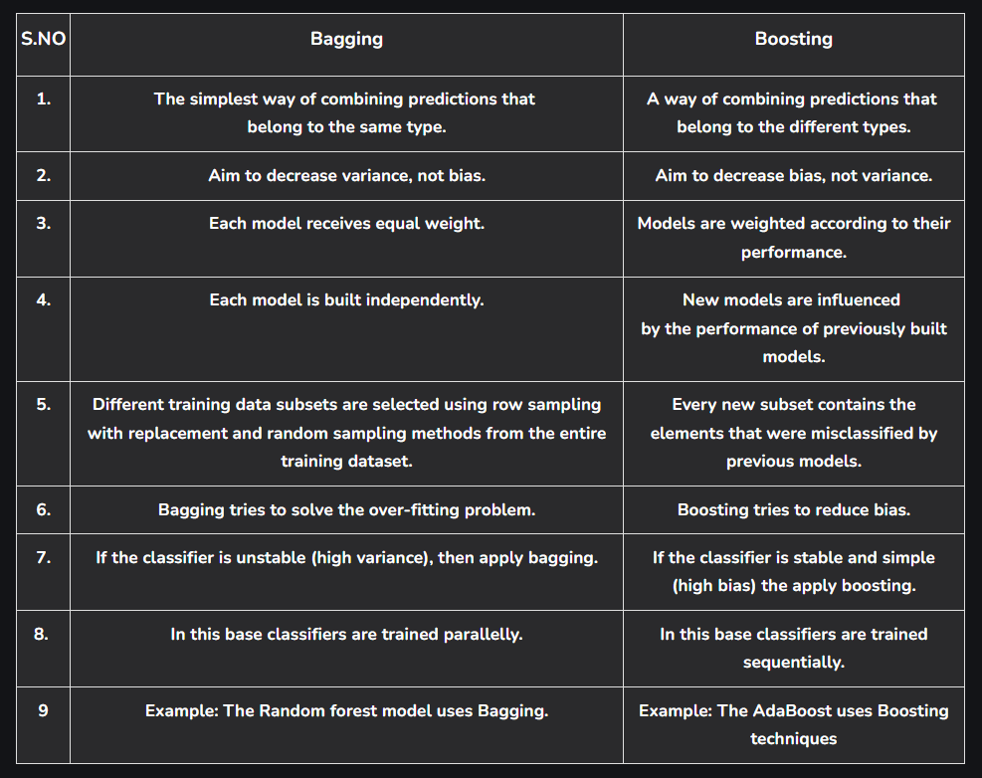 |  |  | ⇰REFERENCE (Website)-->Geeks for Geeks Regarding Conceptual Understanding of Difference Between Bagging Vs Boosting

